Sheet1
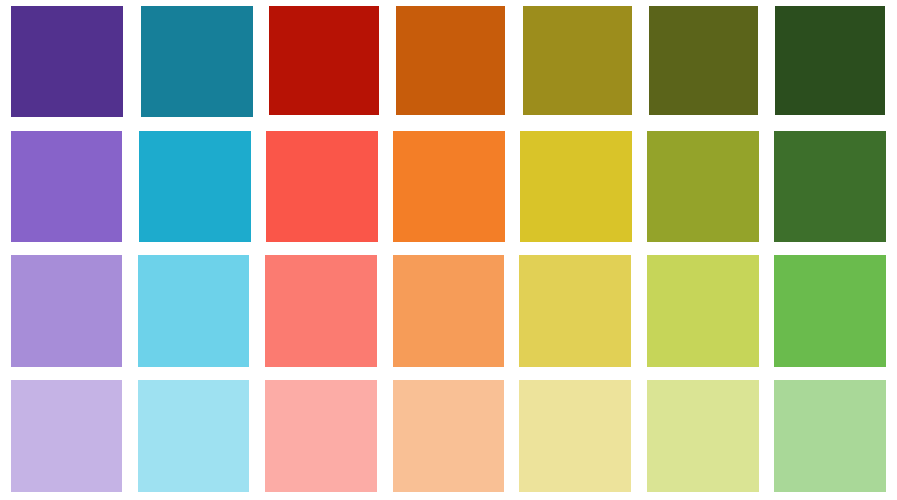
#52318e | #167f99 | #b71205 | #c75c0b | #9c8d1c | #5b641a | #2b4e1e
#8763c9 | #1dabcd | #fa5649 | #f37e27 | #d9c429 | #94a32a | #3d6f2b
#a78dd8 | #6dd2ea | #fb7b71 | #f69c58 | #e1d055 | #c6d559 | #6abb4d
#c5b3e5 | #9ee1f1 | #fcaca6 | #f9c095 | #ede39b | #dae494 | #a9d898

